Summary
Wisconsin PDA - May 2026

Timeline | Date
Incident Period | April 13-23, 2026
PDA Timeline | May 11-15, 2026

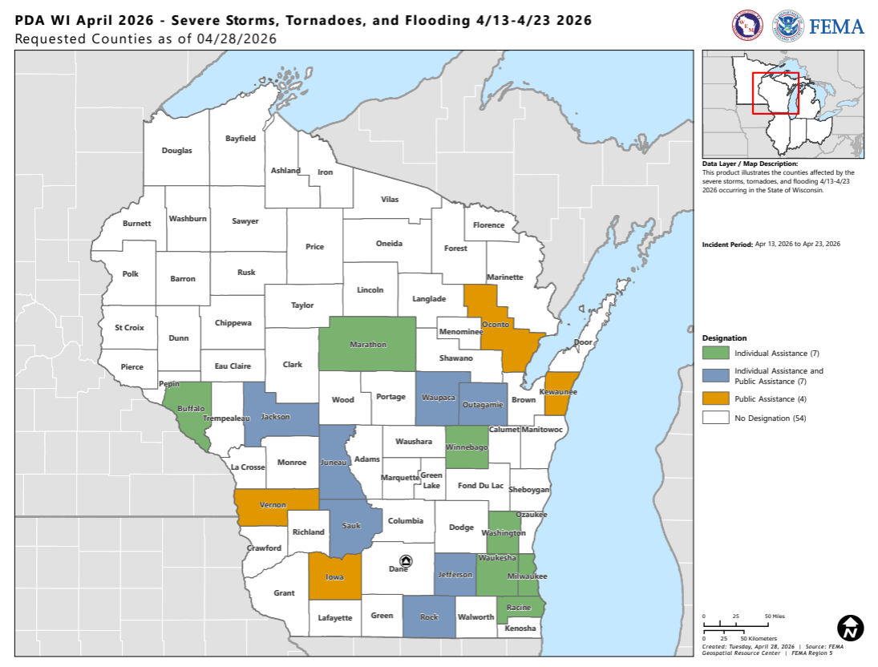
PDA Stats - Indiana | Total
Applicants | 144
Counties | 14

Total & State Threshold | Total
PDA Total | $17,661,572
State Threshold | $11,433,813

Indicators & Projects | Total
Statewide Indicator | $1.94 | County | Total
Countywide Indicator | $4.86 | Bayfield | $51,396
Small Project Minimum | $4,100 | Iowa | $138,438
Large Project Threshold | $1,093,800 | Jackson | $155,340
 |  | Jefferson | $456,805
Damage Category | Total | Juneau | $170,354
Category A | $1,394,910 | Kewaunee | $300,860
Category B | $898,193 | Marathon | $271,940
Category C | $4,397,383 | Manitowoc | $162,270
Category D | $1,105,805 | Outagamie | $1,404,135
Category E | $2,803,797 | Racine | $877,428
Category F | $5,503,121 | Rock | $11,033,303
Category G | $1,558,364 | Sauk | $155,776
 |  | Vernon | $1,117,745
FEMA Team | State Team | Waupaca | $1,955,766
Anessa Jones | Eric Learn
Angel Felix | Robby Stokes
Catherine Waren
Connor Blevins
James Cathey
Javon Cotton
Lindsay LaMarca
Maxwell Novoselac
Richard Chiarello
Seth Crawford
Shawana Thomas
Tracie Smith
Bassam Efein
Jessica Price
Natalie Schrader
Roopak Hanna

